Sheet1
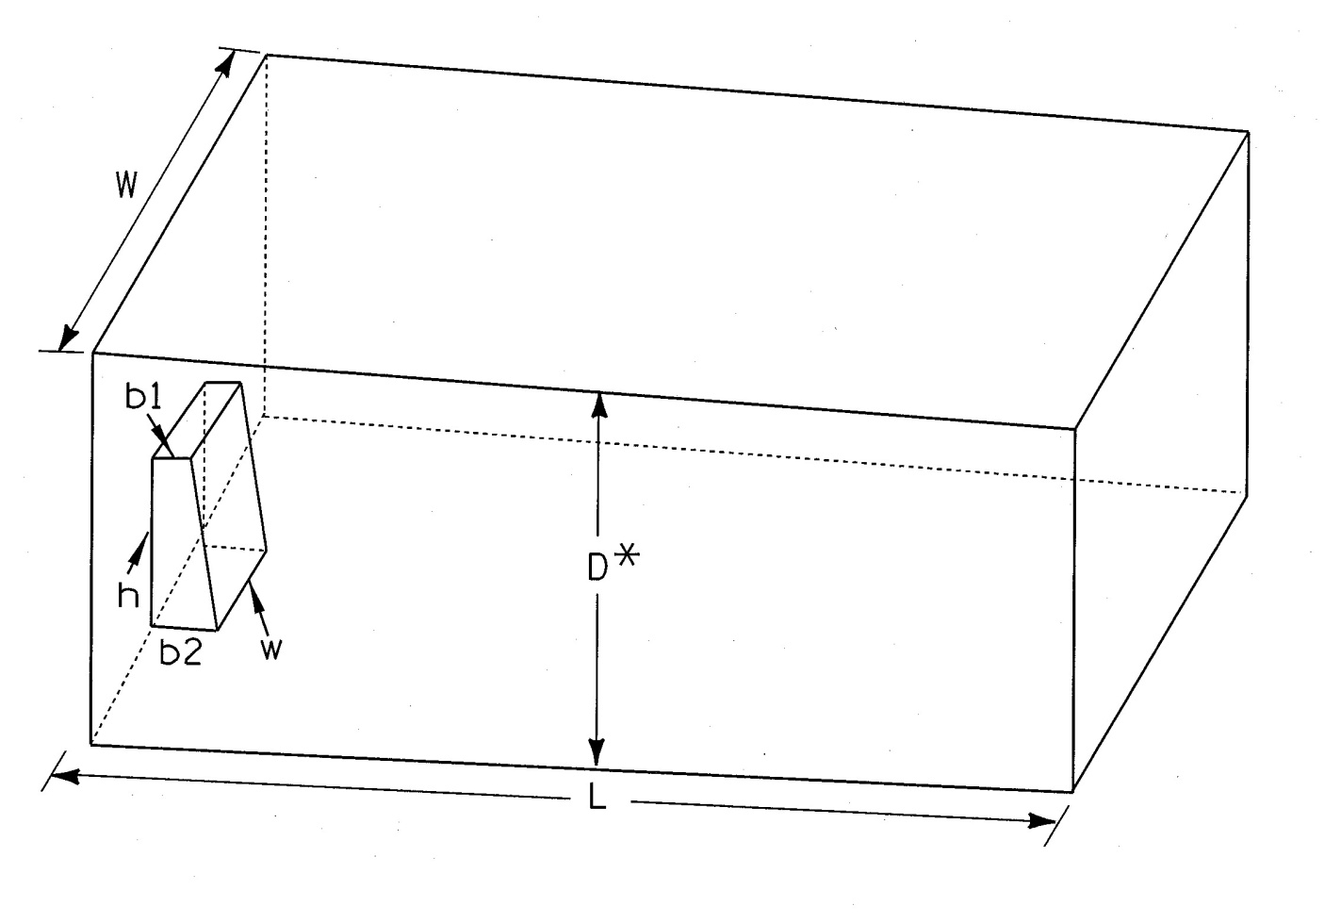
C.Y. TRUCKLOAD
Measured by:
Checked by: |  |  |  | Project I.D.

 | D = depth of loaded box *(should be estimated to provide avg. depth of material)
 | L = length of box
 | W = width of box
 | b1 = top of ram
 | b2 = bottom of ram
 | w = width of ram
 | h = height of ram

Enter data beginning in Cell C15.

 | D = |  | measured in feet
 | L = |  | measured in feet
 | W = |  | measured in feet
 | b1 = |  | measured in feet
 | b2 = |  | measured in feet
 | w = |  | measured in feet
 | h = |  | measured in feet

 | Volume = | 0.00 | C.Y.

